Defect Report - Template
Title | El usuario quiere modificar su cuenta pero la contraseña que ingreso era la misma que tenía

Description / Overview | El usuario accede a la pagina para cambiar su contraseña y la cambia.

Reproduction Steps | 1- El usuario abre la pagina http://127.0.0.1:5000
 | 2- El usuario selecciona "Hello (nombre del usuario)" y selecciona "Your Profile"
 | 3- El usuario ingresa una contraseña nueva pero era la misma que la anterior
 | 4- El usuario confirma el cambio de contraseña

Expected Behavior | La aplicación deberia mostrar una notificacion de error y un aviso de que es la misma contraseña que la que ya tenia

Actual Behavior | El sistema permite registrarse con éxito.
 | 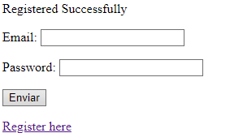
Incidence / Severity / Probability of reproduction | Severidad critica - Ocurre el 100% de las veces.

Story and Acceptance Criteria affected | Historia de usuario afectada: PE-53

Browsers tested | Google Chrome, v107.0.5304.107 (Build oficial) (64 bits)

Environment | QA environment, http://127.0.0.1:5000/account/profile

Notes | La contraseña anterior era: Messismo10! Y el usuario vuelve a colocar esa contraseña.

